Pie Charts data
Items | QTY | Price | Revenue
Television | 331 | 20000 | 6620000
Laptop | 1821 | 30000 | 54630000
Mobile Phone | 4291 | 10000 | 42910000
Pen | 10230 | 10 | 102300
Speakers | 1283 | 3500 | 4490500
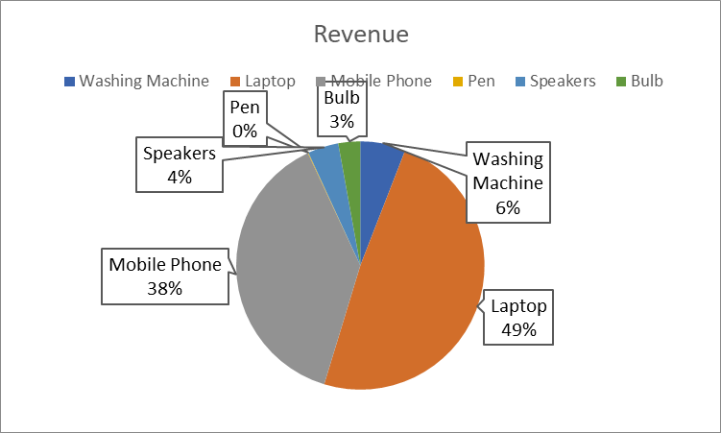
Bulb | 15972 | 200 | 3194400

Chart List
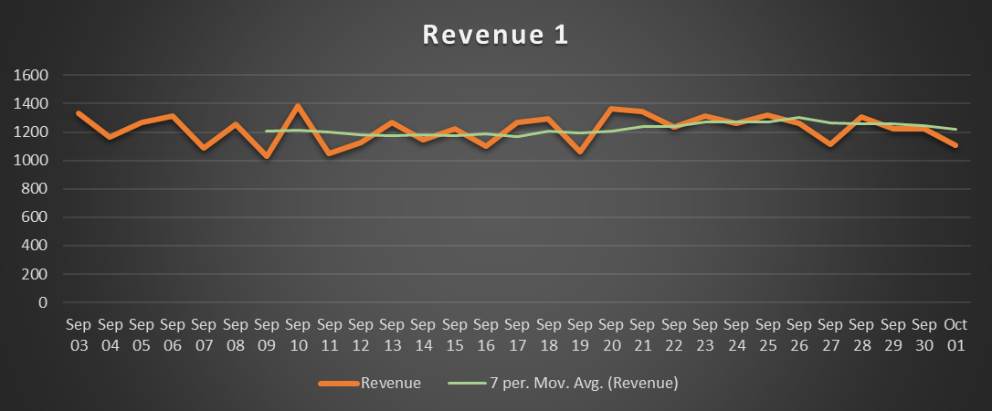
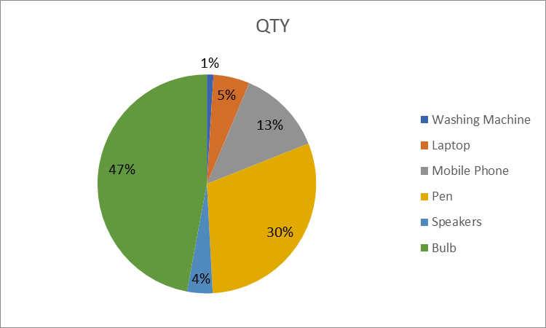
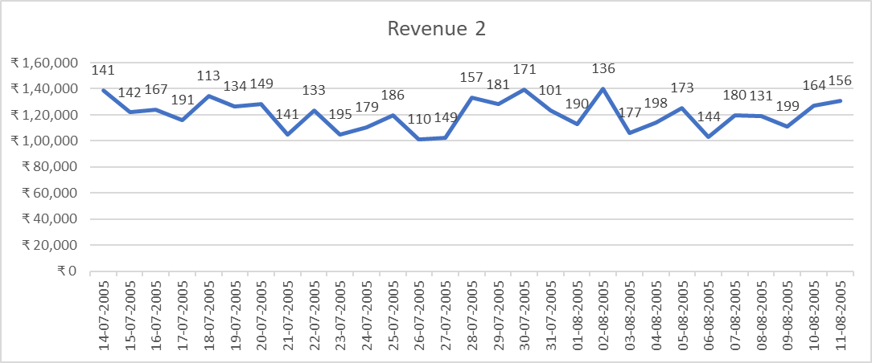
Line charts | Pie Charts

Combo Chart Sheet
Revenue and QTY
 | Revenue 4 | Qty
6/11/2005 | 1303419 | 123
6/12/2005 | 1368177 | 284
6/13/2005 | 1123413 | 172
6/14/2005 | 1291591 | 145
6/15/2005 | 1083560 | 138
6/16/2005 | 1121314 | 234
6/17/2005 | 1186701 | 287
6/18/2005 | 1098871 | 210
6/19/2005 | 1092795 | 154
6/20/2005 | 1216522 | 101
6/21/2005 | 1027508 | 105
6/22/2005 | 1263669 | 290
6/23/2005 | 1278680 | 213
6/24/2005 | 1352527 | 143
6/25/2005 | 1162771 | 257
6/26/2005 | 1173180 | 192
6/27/2005 | 1163031 | 196
6/28/2005 | 1222184 | 199
6/29/2005 | 1379700 | 219
6/30/2005 | 1260224 | 276
7/1/2005 | 1220900 | 159
7/2/2005 | 1027203 | 203
7/3/2005 | 1311714 | 138
7/4/2005 | 1076684 | 206
7/5/2005 | 1035058 | 124
7/6/2005 | 1147605 | 217
7/7/2005 | 1091289 | 167
7/8/2005 | 1104225 | 299
7/9/2005 | 1013751 | 254

